Sheet1
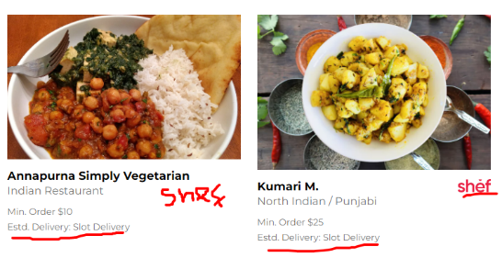
Department | Number of Test Suits | Passed Tests | Failed Tests | Reason of Failure | Bugs | Img

Alcohol | 3 | 3 | 0 |  | 1) Add Shef img and resize this box and img w.r.t other boxes (Tiffin Services page)
BBQ | 27 | 27 | 0 |  | 1) Quicklly Page opens when we click on Get a gift card and then shift on another card in Gift card page
Catering | 3 | 3 | 0 |  | 2) When we open Speciality gift card or Corporate gift card new page opens with Quicklly gift card. It should display respective card w.r.t selection.
Chai | 16 | 16 | 0 |  | 3) Free delivery button in not clickable when order is above 30$
Food | 82 | 82 | 0 |  | 4) On Be A Hero page under bronze category make all tiles of same size and refer button doesn't do anything.
Grocery | 3 | 3 | 0 |  | 5) After adding some items it doesn't show quantity instead it shows "Add" on ORDER FOOD and also on "CATERING"
IndianGrocery | 31 | 31 | 0 |  | 6) Either add links on categories of OUR ROTI CATEGORIES under "ROTI KIT PAGE" or remove clickable cursor on them
IndianSauces | 10 | 10 | 0 |  | 7) Search bar of Recipes isn't working properly. Under Paneer it is showing me Biryani
IndianSeasoningKit | 12 | 10 | 2 |  | 8) There is no functionality on Filter By in SEARCH BY STORE
IndianSweetsndSnacks | 28 | 27 | 1
Tiffin Services | 3 | 2 | 1
IndianRotiKit | 9 | 9 | 0
IndianMealKit | 33 | 33 | 0
NationWide | 3 | 3 | 0
HouseHold | 8 | 8 | 0
Holiday Gift | 22 | 22 | 0 |  |  | BUG (5)
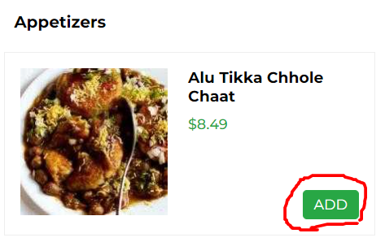
Ready To Eat | 62 | 62 | 0
Homemade Food | 51 | 51 | 0

Categories | 25 | 25 | 0
Contact Us | 1 | 1 | 0
Continue As Guest | 9 | 9 | 0
Invalid ZipCode | 2 | 2 | 0
MiniCart | 67 | 41 | 26

 |  |  |  |  |  | BUG (6)
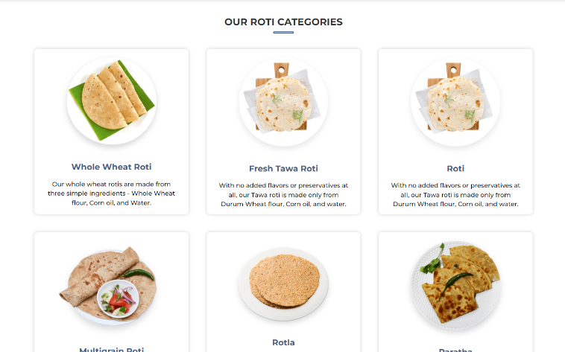
Complete Automation | 510 | 480 | 30

 |  |  |  |  |  | BUG (7)
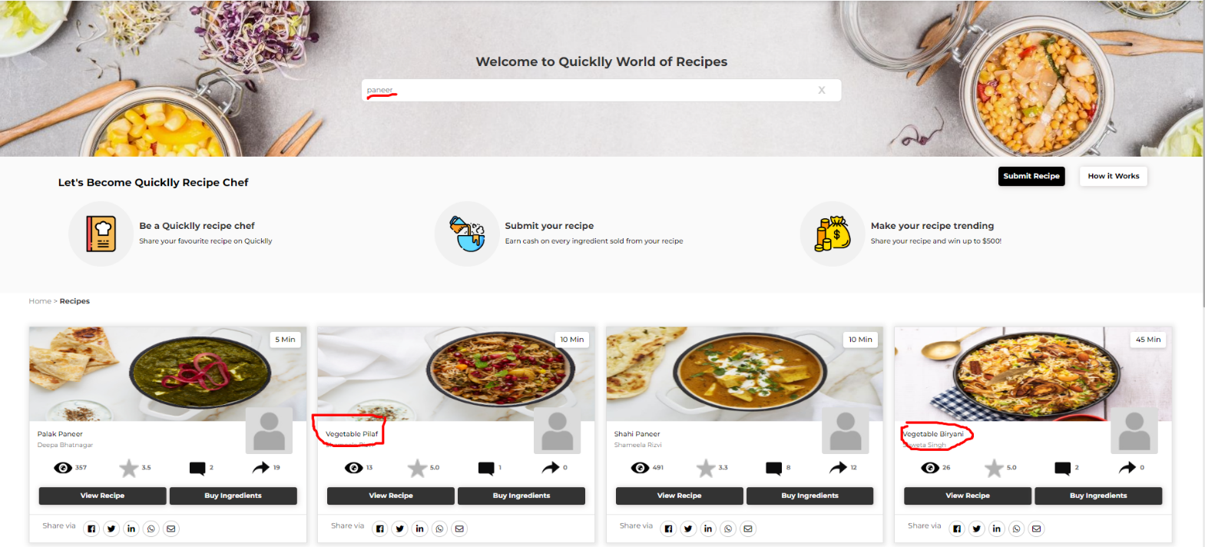

 |  |  |  |  |  | BUG (8)

